Sheet1
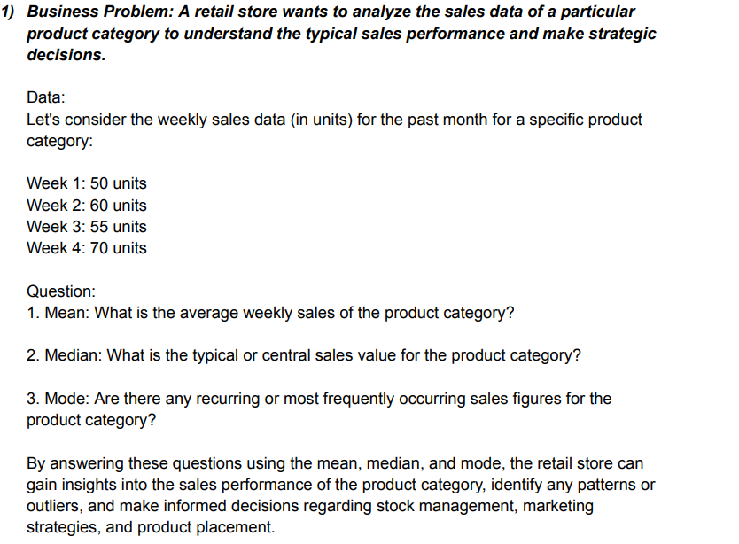
 |  | QUESTION-1

 |  | PROBLEM -1

 |  | WEEK | UNIT |  | WEEK | UNIT |  | WEEK | UNIT

 |  | WEEK-1 | 50 |  | WEEK-1 | 50 |  | WEEK-1 | 50
 |  | WEEK-2 | 60 |  | WEEK-2 | 60 |  | WEEK-2 | 60
 |  | WEEK-3 | 55 |  | WEEK-3 | 55 |  | WEEK-3 | 55
 |  | WEEK-4 | 70 |  | WEEK-4 | 70 |  | WEEK-4 | 70
 |  | MEAN | 58.75 |  | MEDIAN | 57.5 |  | MODE | #N/A

 |  | QUESTION-2

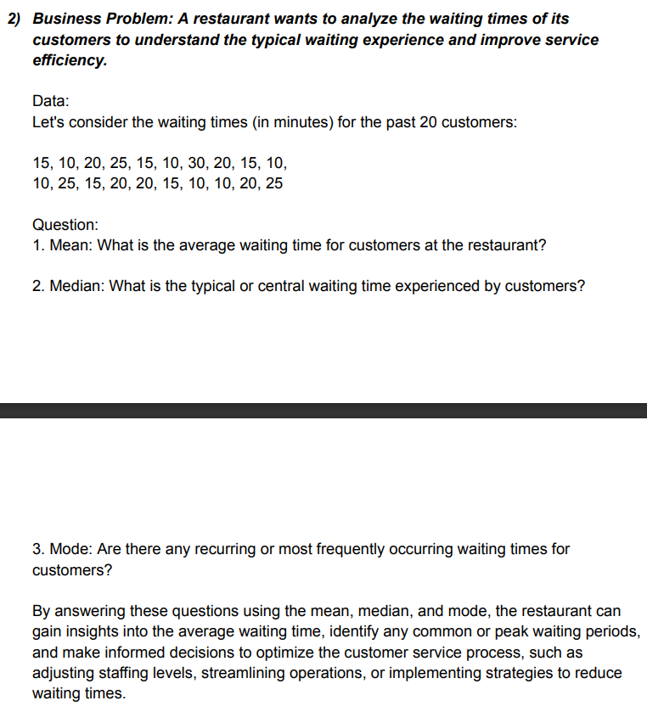
 |  | No. | CUSTOMER |  | No. | CUSTOMER |  | No. | CUSTOMER
 |  | 1 | 15 |  | 1 | 15 |  | 1 | 15
 |  | 2 | 18 |  | 2 | 18 |  | 2 | 18
 |  | 3 | 20 |  | 3 | 20 |  | 3 | 20
 |  | 4 | 25 |  | 4 | 25 |  | 4 | 25
 |  | 5 | 15 |  | 5 | 15 |  | 5 | 15
 |  | 6 | 10 |  | 6 | 10 |  | 6 | 10
 |  | 7 | 30 |  | 7 | 30 |  | 7 | 30
 |  | 8 | 20 |  | 8 | 20 |  | 8 | 20
 |  | 9 | 15 |  | 9 | 15 |  | 9 | 15
 |  | 10 | 10 |  | 10 | 10 |  | 10 | 10
 |  | 11 | 10 |  | 11 | 10 |  | 11 | 10
 |  | 12 | 25 |  | 12 | 25 |  | 12 | 25
 |  | 13 | 15 |  | 13 | 15 |  | 13 | 15
 |  | 14 | 20 |  | 14 | 20 |  | 14 | 20
 |  | 15 | 20 |  | 15 | 20 |  | 15 | 20
 |  | 16 | 15 |  | 16 | 15 |  | 16 | 15
 |  | 17 | 10 |  | 17 | 10 |  | 17 | 10
 |  | 18 | 10 |  | 18 | 10 |  | 18 | 10
 |  | 19 | 20 |  | 19 | 20 |  | 19 | 20
 |  | 20 | 25 |  | 20 | 25 |  | 20 | 25
 |  | MEAN | 17.4 |  | MEDIAN | 16.5 |  | MODE | 15

 | QUESTION-3

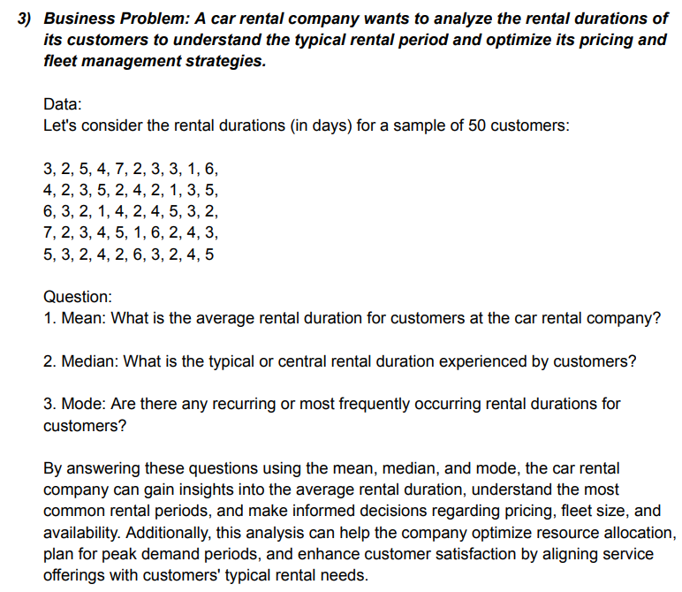

 | No. | CUTOMER |  | No. | CUTOMER |  | No. | CUTOMER
 | 1 | 3 |  | 1 | 3 |  | 1 | 3
 | 2 | 2 |  | 2 | 2 |  | 2 | 2
 | 3 | 5 |  | 3 | 5 |  | 3 | 5
 | 4 | 4 |  | 4 | 4 |  | 4 | 4
 | 5 | 7 |  | 5 | 7 |  | 5 | 7
 | 6 | 2 |  | 6 | 2 |  | 6 | 2
 | 7 | 3 |  | 7 | 3 |  | 7 | 3
 | 8 | 3 |  | 8 | 3 |  | 8 | 3
 | 9 | 1 |  | 9 | 1 |  | 9 | 1
 | 10 | 6 |  | 10 | 6 |  | 10 | 6
 | 11 | 4 |  | 11 | 4 |  | 11 | 4
 | 12 | 2 |  | 12 | 2 |  | 12 | 2
 | 13 | 3 |  | 13 | 3 |  | 13 | 3
 | 14 | 5 |  | 14 | 5 |  | 14 | 5
 | 15 | 2 |  | 15 | 2 |  | 15 | 2
 | 16 | 4 |  | 16 | 4 |  | 16 | 4
 | 17 | 2 |  | 17 | 2 |  | 17 | 2
 | 18 | 1 |  | 18 | 1 |  | 18 | 1
 | 19 | 3 |  | 19 | 3 |  | 19 | 3
 | 20 | 5 |  | 20 | 5 |  | 20 | 5
 | MEAN | 3.35 |  | MEDIAN | 3 |  | MODE | 3

 | QUESTION ON MEASURE OF DISPERSION

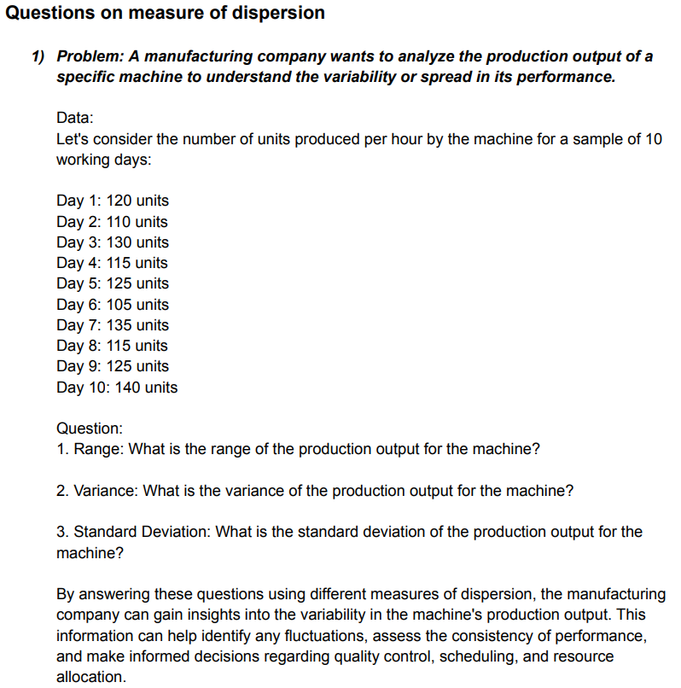

 | QUESTION-2(1)

 | DAYS | SALES |  | DAYS | UNITS |  | DAYS | UNITS
 |  |  |  | 1 | 120 |  | 1 | 120
 | 1 | 120 |  | 2 | 110 |  | 2 | 110
 | 2 | 110 |  | 3 | 130 |  | 3 | 130
 | 3 | 130 |  | 4 | 115 |  | 4 | 115
 | 4 | 115 |  | 5 | 125 |  | 5 | 125
 | 5 | 125 |  | 6 | 105 |  | 6 | 105
 | 6 | 105 |  | 7 | 135 |  | 7 | 135
 | 7 | 135 |  | 8 | 115 |  | 8 | 115
 | 8 | 115 |  | 9 | 125 |  | 9 | 125
 | 9 | 125 |  | 10 | 140 |  | 10 | 140
 | 10 | 140 |  | VARIANCE | 111 |  | STAND.DEVI. | 11.105554166
 | RANGE | 35

 | QUESTION-2(2)

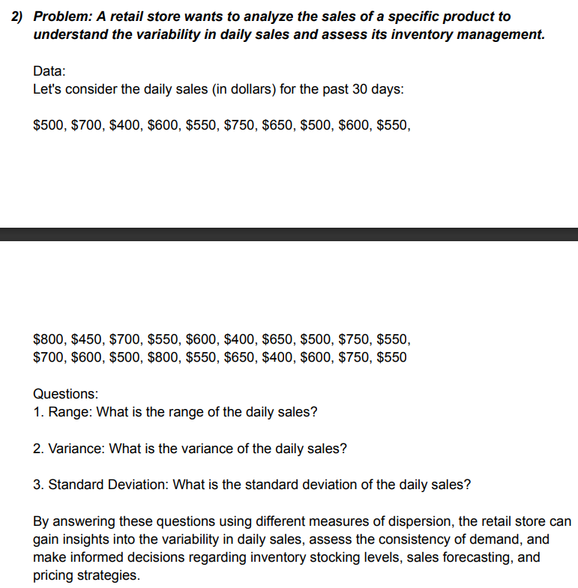
 | DAYS | SALES
 | 1 | $500.00 | 16 | $400.00 |  | 1 | $500.00 | 16 | $400.00 |  | 1 | $500.00 | 16 | $400.00
 | 2 | $700.00 | 17 | $650.00 |  | 2 | $700.00 | 17 | $650.00 |  | 2 | $700.00 | 17 | $650.00
 | 3 | $400.00 | 18 | $500.00 |  | 3 | $400.00 | 18 | $500.00 |  | 3 | $400.00 | 18 | $500.00
 | 4 | $600.00 | 19 | $750.00 |  | 4 | $600.00 | 19 | $750.00 |  | 4 | $600.00 | 19 | $750.00
 | 5 | $550.00 | 20 | $550.00 |  | 5 | $550.00 | 20 | $550.00 |  | 5 | $550.00 | 20 | $550.00
 | 6 | $750.00 | 21 | $700.00 |  | 6 | $750.00 | 21 | $700.00 |  | 6 | $750.00 | 21 | $700.00
 | 7 | $650.00 | 22 | $600.00 |  | 7 | $650.00 | 22 | $600.00 |  | 7 | $650.00 | 22 | $600.00
 | 8 | $500.00 | 23 | $500.00 |  | 8 | $500.00 | 23 | $500.00 |  | 8 | $500.00 | 23 | $500.00
 | 9 | $600.00 | 24 | $800.00 |  | 9 | $600.00 | 24 | $800.00 |  | 9 | $600.00 | 24 | $800.00
 | 10 | $550.00 | 25 | $550.00 |  | 10 | $550.00 | 25 | $550.00 |  | 10 | $550.00 | 25 | $550.00
 | 11 | $800.00 | 26 | $650.00 |  | 11 | $800.00 | 26 | $650.00 |  | 11 | $800.00 | 26 | $650.00
 | 12 | $450.00 | 27 | $400.00 |  | 12 | $450.00 | 27 | $400.00 |  | 12 | $450.00 | 27 | $400.00
 | 13 | $700.00 | 28 | $600.00 |  | 13 | $700.00 | 28 | $600.00 |  | 13 | $700.00 | 28 | $600.00
 | 14 | $550.00 | 29 | $750.00 |  | 14 | $550.00 | 29 | $750.00 |  | 14 | $550.00 | 29 | $750.00
 | 15 | $600.00 | 30 | $550.00 |  | 15 | $600.00 | 30 | $550.00 |  | 15 | $600.00 | 30 | $550.00
 | RANGE |  |  | $400.00 |  | VARIANCE |  |  | $13,163.79 |  | STAND.DAVIATION |  |  | $114.73

 | MIN | $400.00
 | MAX | $800.00

 | QUESTION-2(4)
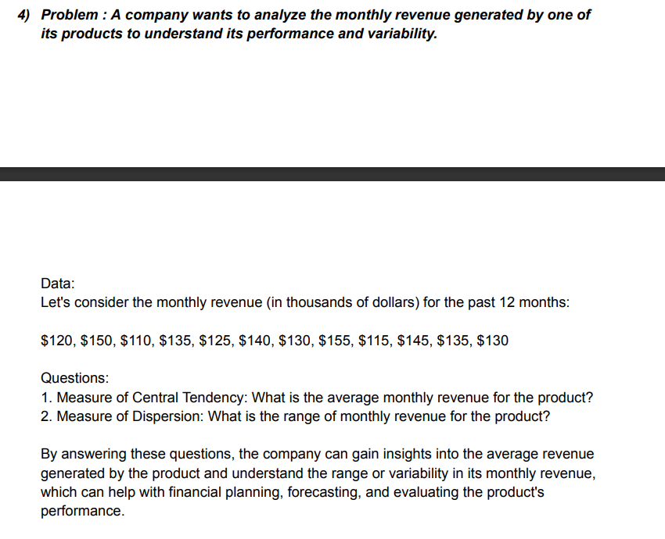

 | MEASURES OF CENTRAL TENDENCY |  |  |  |  | MEASURE OF DESPERSION

 |  | No. | REVENUE |  |  |  | No. | REVENUE
 |  | 1 | $120.00 |  |  |  | 1 | $120.00
 |  | 2 | $150.00 |  |  |  | 2 | $150.00
 |  | 3 | $110.00 |  |  |  | 3 | $110.00
 |  | 4 | $135.00 |  |  |  | 4 | $135.00
 |  | 5 | $125.00 |  |  |  | 5 | $125.00
 |  | 6 | $140.00 |  |  |  | 6 | $140.00
 |  | 7 | $130.00 |  |  |  | 7 | $130.00
 |  | 8 | $155.00 |  |  |  | 8 | $155.00
 |  | 9 | $115.00 |  |  |  | 9 | $115.00
 |  | 10 | $145.00 |  |  |  | 10 | $145.00
 |  | 11 | $135.00 |  |  |  | 11 | $135.00
 |  | 12 | $130.00 |  |  |  | 12 | $130.00
 |  | MEAN | $132.50 |  |  |  | RANGE | $45.00
 |  | MEDIAN | $132.50 |  |  |  | VARIANCE | $188.64
 |  | MODE | $135.00 |  |  |  | STAND.D | $13.73

 | QUESTION-2(5)

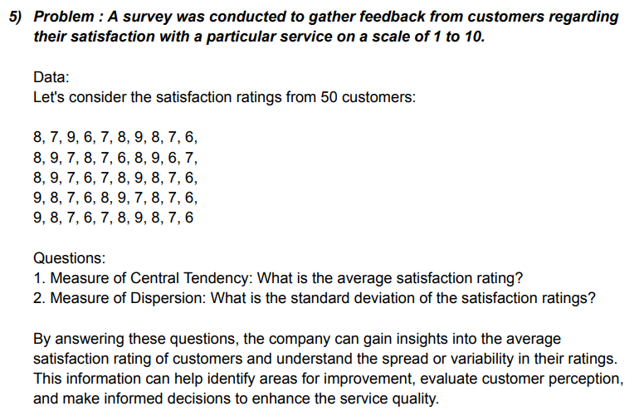

 | No. | CUSTOMER |  |  |  | No. | CUSTOMER
 | 1 | 8 | 26 | 8 |  | 1 | 8 | 26 | 8
 | 2 | 7 | 27 | 9 |  | 2 | 7 | 27 | 9
 | 3 | 9 | 28 | 8 |  | 3 | 9 | 28 | 8
 | 4 | 6 | 29 | 7 |  | 4 | 6 | 29 | 7
 | 5 | 7 | 30 | 6 |  | 5 | 7 | 30 | 6
 | 6 | 8 | 31 | 9 |  | 6 | 8 | 31 | 9
 | 7 | 9 | 32 | 8 |  | 7 | 9 | 32 | 8
 | 8 | 8 | 33 | 7 |  | 8 | 8 | 33 | 7
 | 9 | 7 | 34 | 6 |  | 9 | 7 | 34 | 6
 | 10 | 6 | 35 | 8 |  | 10 | 6 | 35 | 8
 | 11 | 8 | 36 | 9 |  | 11 | 8 | 36 | 9
 | 12 | 9 | 37 | 7 |  | 12 | 9 | 37 | 7
 | 13 | 7 | 38 | 8 |  | 13 | 7 | 38 | 8
 | 14 | 8 | 39 | 7 |  | 14 | 8 | 39 | 7
 | 15 | 7 | 40 | 6 |  | 15 | 7 | 40 | 6
 | 16 | 6 | 41 | 9 |  | 16 | 6 | 41 | 9
 | 17 | 8 | 42 | 8 |  | 17 | 8 | 42 | 8
 | 18 | 9 | 43 | 7 |  | 18 | 9 | 43 | 7
 | 19 | 6 | 44 | 6 |  | 19 | 6 | 44 | 6
 | 20 | 7 | 45 | 7 |  | 20 | 7 | 45 | 7
 | 21 | 8 | 46 | 8 |  | 21 | 8 | 46 | 8
 | 22 | 9 | 47 | 9 |  | 22 | 9 | 47 | 9
 | 23 | 7 | 48 | 8 |  | 23 | 7 | 48 | 8
 | 24 | 6 | 49 | 7 |  | 24 | 6 | 49 | 7
 | 25 | 7 | 50 | 6 |  | 25 | 7 | 50 | 6
 | AVERAGE |  |  | 7.5 |  | STAND.DEVIATION |  |  | 1.035098339

 | QUESTION-2(6)

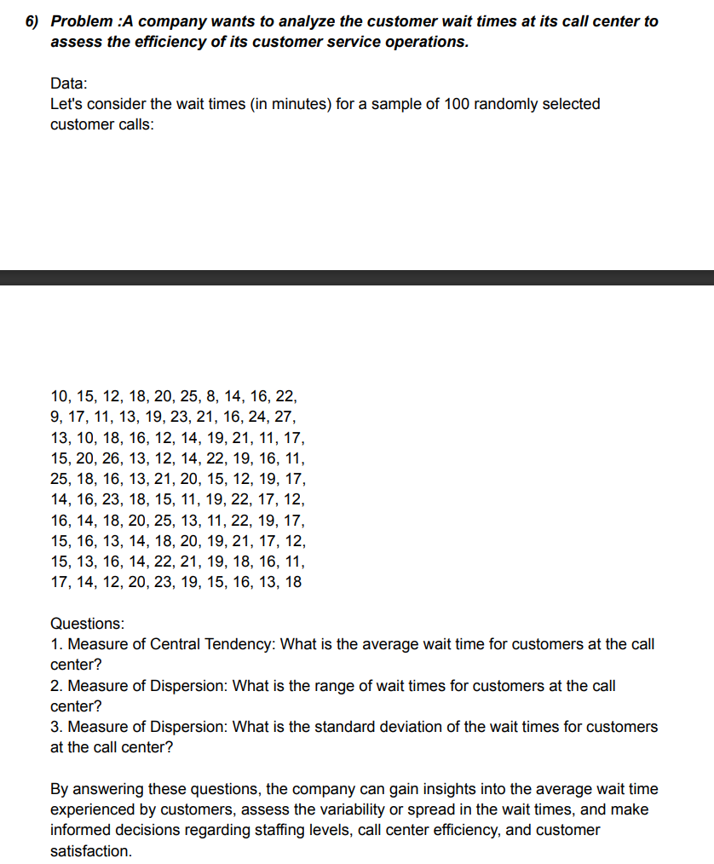

 | MEASURE OF CENTRAL |  |  |  | MEASURE OF DISPERSION |  |  |  | MEASURE OF DISPERSION
 | TEDENCY

 | NO. | CUSTOMER |  |  | NO. | CUSTOMER |  |  | NO. | CUSTOMER
 | 1 | 10 |  |  | 1 | 10 |  |  | 1 | 10
 | 2 | 15 |  |  | 2 | 15 |  |  | 2 | 15
 | 3 | 12 |  |  | 3 | 12 |  |  | 3 | 12
 | 4 | 18 |  |  | 4 | 25 |  |  | 4 | 18
 | 5 | 20 |  |  | 5 | 20 |  |  | 5 | 20
 | 6 | 25 |  |  | 6 | 25 |  |  | 6 | 25
 | 7 | 8 |  |  | 7 | 8 |  |  | 7 | 8
 | 8 | 14 |  |  | 8 | 14 |  |  | 8 | 14
 | 9 | 16 |  |  | 9 | 16 |  |  | 9 | 16
 | 10 | 22 |  |  | 10 | 22 |  |  | 10 | 22
 | 11 | 9 |  |  | 11 | 9 |  |  | 11 | 9
 | 12 | 17 |  |  | 12 | 25 |  |  | 12 | 17
 | 13 | 11 |  |  | 13 | 26 |  |  | 13 | 11
 | 14 | 13 |  |  | 14 | 13 |  |  | 14 | 13
 | 15 | 19 |  |  | 15 | 19 |  |  | 15 | 19
 | 16 | 23 |  |  | 16 | 23 |  |  | 16 | 23
 | 17 | 21 |  |  | 17 | 21 |  |  | 17 | 21
 | 18 | 11 |  |  | 18 | 11 |  |  | 18 | 11
 | 19 | 10 |  |  | 19 | 10 |  |  | 19 | 10
 | 20 | 16 |  |  | 20 | 16 |  |  | 20 | 16
 | 21 | 20 |  |  | 21 | 20 |  |  | 21 | 20
 | MEAN | 15.714285714 |  |  | RANGE | -35 |  |  | STAND.D | 5.0014283674

 | QUESTION-2(7)

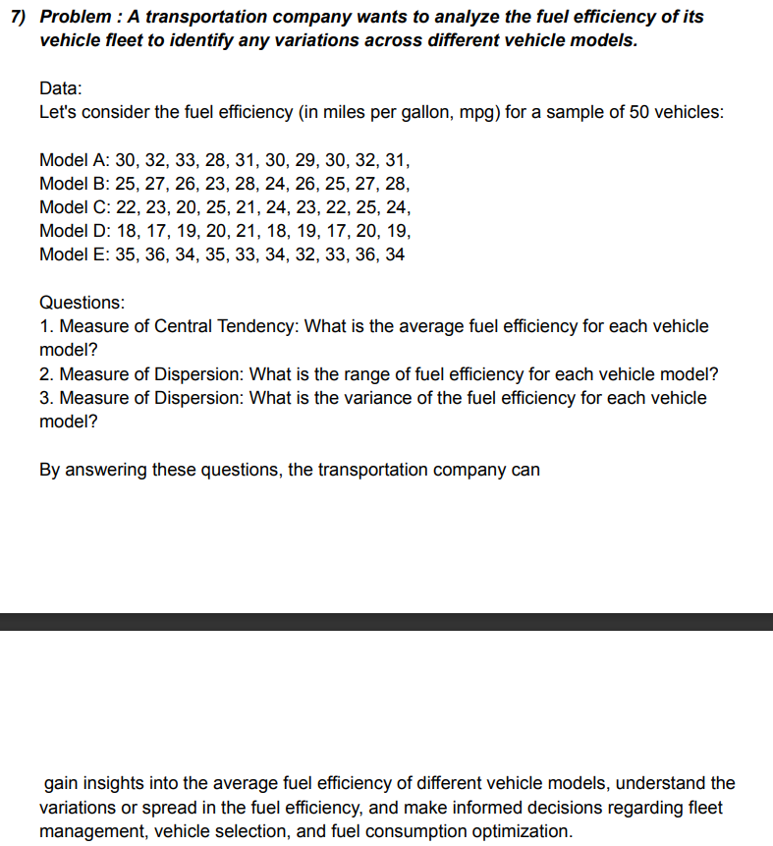

 | MEASURE OF CENTRAL TENDENCY |  |  |  |  |  |  | MEASURE OF DISPERSION

 | MODEL -A | MODEL-B | MODEL-C | MODEL-D | MODEL-E |  |  | MODEL -A | MODEL-B | MODEL-C | MODEL-D | MODEL-E
 | 30 | 25 | 22 | 18 | 35 |  |  | 30 | 25 | 22 | 18 | 35
 | 32 | 27 | 23 | 17 | 36 |  |  | 32 | 27 | 23 | 17 | 36
 | 33 | 26 | 20 | 19 | 34 |  |  | 33 | 26 | 20 | 19 | 34
 | 28 | 23 | 25 | 20 | 35 |  |  | 28 | 23 | 25 | 20 | 35
 | 31 | 28 | 21 | 21 | 33 |  |  | 31 | 28 | 21 | 21 | 33
 | 30 | 24 | 24 | 18 | 34 |  |  | 30 | 24 | 24 | 18 | 34
 | 29 | 26 | 23 | 19 | 32 |  |  | 29 | 26 | 23 | 19 | 32
 | 30 | 25 | 22 | 17 | 33 |  |  | 30 | 25 | 22 | 17 | 33
 | 32 | 27 | 25 | 20 | 36 |  |  | 32 | 27 | 25 | 20 | 36
 | 31 | 28 | 24 | 19 | 34 |  |  | 31 | 28 | 24 | 19 | 34
AVERAGE | 30.6 | 25.9 | 22.9 | 18.8 | 34.2 |  | RANGE | 5 | 5 | 5 | 4 | 4

 | MEASURE OF DSPERSION

 | MODEL -A | MODEL-B | MODEL-C | MODEL-D | MODEL-E
 | 30 | 25 | 22 | 18 | 35
 | 32 | 27 | 23 | 17 | 36
 | 33 | 26 | 20 | 19 | 34
 | 28 | 23 | 25 | 20 | 35
 | 31 | 28 | 21 | 21 | 33
 | 30 | 24 | 24 | 18 | 34
 | 29 | 26 | 23 | 19 | 32
 | 30 | 25 | 22 | 17 | 33
 | 32 | 27 | 25 | 20 | 36
 | 31 | 28 | 24 | 19 | 34
VARIANCE | 2.2666666667 | 2.7666666667 | 2.7666666667 | 1.7333333333 | 1.7333333333

 | QUESTION-2(10)

 | 1.-BAR CHART

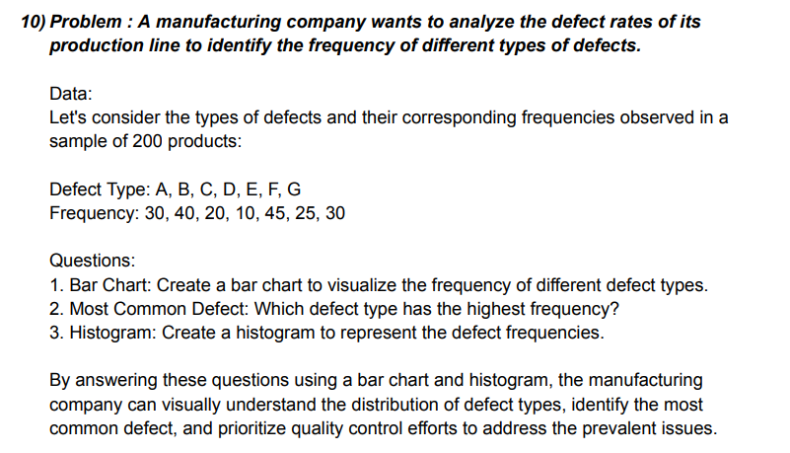

 | FREQUENCY
TYPE
A | 30
B | 40
C | 20
D | 10
E | 45
F | 25
G | 30

 | DEFECT | FREQUENCY
 | TYPE
 | A | 30
 | B | 40
 | C | 20
 | D | 10
 | E | 45
 | F | 25
 | G | 30

 | 2.HISTOGRAM

 | DEFECT | FREQUENCY

 | A | 30
 | B | 40
 | C | 20
 | D | 10
 | E | 45
 | F | 25
 | G | 30

 | QUESTION-2(3)

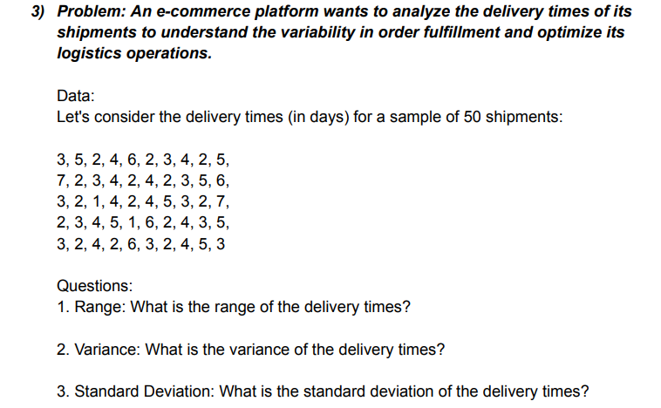
 | SAMPLE OF SHIPMENT
 | 3 | 5 | 2 | 4 | 6 | 2 | 3 | 4 | 2 | 5 | 7 | 2
 | 3 | 4 | 2 | 4 | 2 | 3 | 5 | 6 | 3 | 2 | 1 | 4
 | 2 | 4 | 5 | 3 | 2 | 7 | 2 | 3 | 4 | 5 | 1 | 6
 | 2 | 4 | 3 | 5 | 3 | 2 | 4 | 2 | 6 | 3 | 2 | 4
 | 5 | 3

 | RANGE | 6 |  |  | MIN | 1
 | VARIANCE | 2.3363265306 |  |  | MAX | 7
 | STAND.D | 1.5285046714

 | QUESTION-2(8)

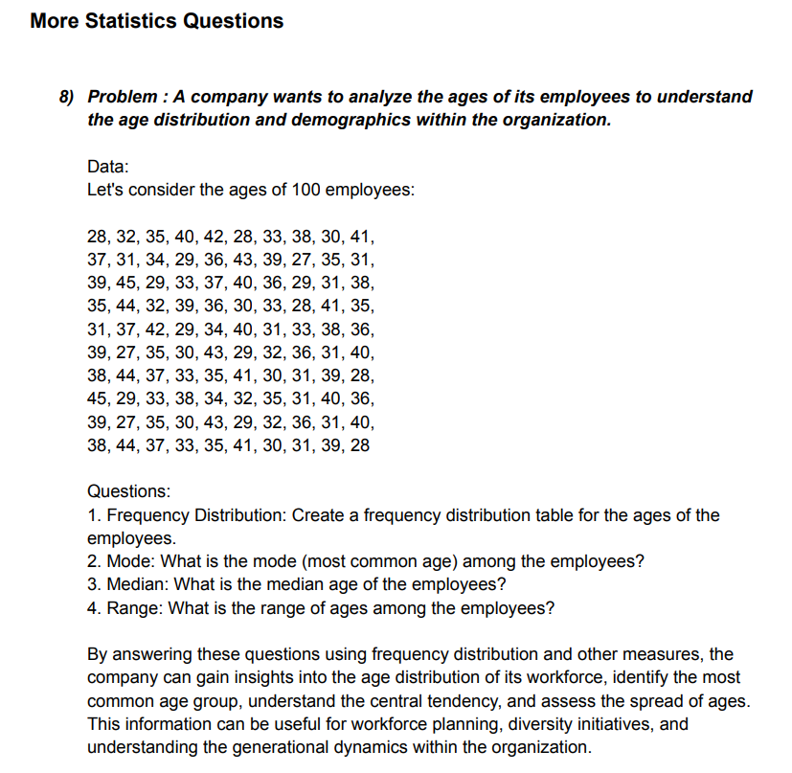

 | AGES | 28 | 32 | 35 | 40 | 42 | 28 | 33 | 38 | 30 | 41
 |  | 37 | 31 | 34 | 29 | 36 | 43 | 39 | 27 | 35 | 31
 |  | 39 | 45 | 29 | 33 | 37 | 40 | 36 | 29 | 31 | 38
 |  | 35 | 44 | 32 | 39 | 36 | 30 | 33 | 28 | 41 | 35
 |  | 31 | 37 | 42 | 29 | 34 | 40 | 31 | 33 | 38 | 36
 |  | 39 | 27 | 35 | 30 | 43 | 29 | 32 | 36 | 31 | 40
 |  | 38 | 44 | 37 | 33 | 35 | 41 | 30 | 31 | 39 | 28
 |  | 45 | 29 | 33 | 38 | 34 | 32 | 35 | 31 | 40 | 36
 |  | 39 | 27 | 35 | 30 | 43 | 29 | 32 | 36 | 31 | 40
 |  | 38 | 44 | 37 | 33 | 35 | 41 | 30 | 31 | 39 | 28

 |  | AGES | FREQUENCY |  | AGES | FREQUENCY |  | AGES | FREQUENCY
 |  | 27 | 3 |  | 27 | 3 |  | 27 | 3
 |  | 28 | 5 |  | 28 | 5 |  | 28 | 5
 |  | 29 | 7 |  | 29 | 7 |  | 29 | 7
 |  | 30 | 6 |  | 30 | 6 |  | 30 | 6
 |  | 31 | 10 |  | 31 | 10 |  | 31 | 10
 |  | 32 | 5 |  | 32 | 5 |  | 32 | 5
 |  | 33 | 7 |  | 33 | 7 |  | 33 | 7
 |  | 34 | 3 |  | 34 | 3 |  | 34 | 3
 |  | 35 | 10 |  | 35 | 10 |  | 35 | 10
 |  | 36 | 6 |  | 36 | 6 |  | 36 | 6
 |  | 37 | 5 |  | 37 | 5 |  | 37 | 5
 |  | 38 | 6 |  | 38 | 6 |  | 38 | 6
 |  | 39 | 7 |  | 39 | 7 |  | 39 | 7
 |  | 40 | 6 |  | 40 | 6 |  | 40 | 6
 |  | 41 | 4 |  | 41 | 4 |  | 41 | 4
 |  | 42 | 2 |  | 42 | 2 |  | 42 | 2
 |  | 43 | 3 |  | 43 | 3 |  | 43 | 3
 |  | 44 | 3 |  | 44 | 3 |  | 44 | 3
 |  | 45 | 2 |  | 45 | 2 |  | 45 | 2
 |  | MODE | 3 |  | MEDIAN | 5 |  | RANGE | 8

 | QUESTION-2(9)

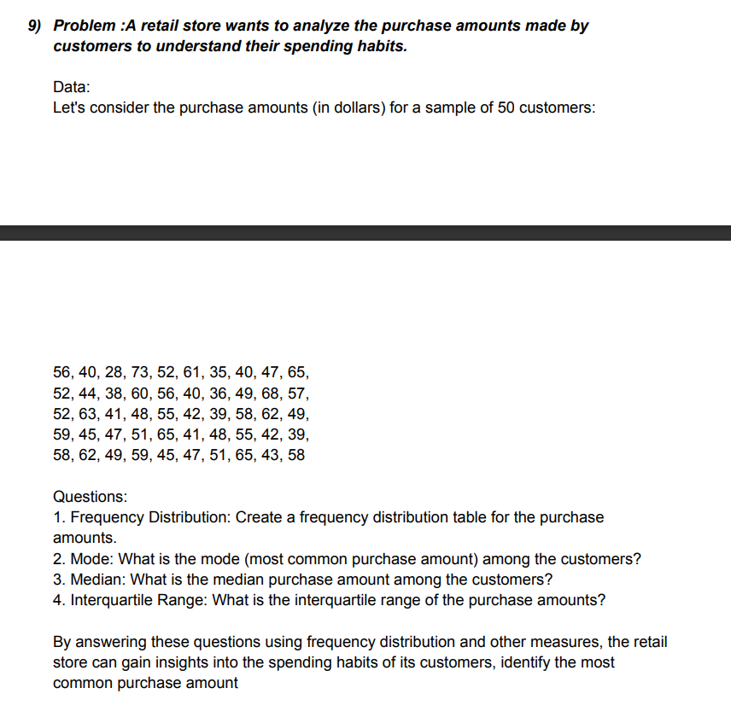

 |  | CUSTOMER
 |  | 56 | 40 | 28 | 73 | 52 | 61 | 35 | 40 | 47
 |  | 65 | 52 | 44 | 38 | 60 | 56 | 40 | 36 | 49
 |  | 68 | 57 | 52 | 63 | 41 | 48 | 55 | 42 | 39
 |  | 58 | 62 | 49 | 59 | 45 | 47 | 51 | 65 | 41
 |  | 48 | 55 | 42 | 39 | 58 | 62 | 49 | 59 | 45
 |  | 47 | 51 | 65 | 43 | 58

 |  | CUSTOMER | FREQUENCY |  | CUSTOMER | FREQUENCY |  | CUSTOMER | FREQUENCY
 |  | 28 | 1 |  | 28 | 1 |  | 28 | 1
 |  | 35 | 1 |  | 35 | 1 |  | 35 | 1
 |  | 36 | 1 |  | 36 | 1 |  | 36 | 1
 |  | 38 | 1 |  | 38 | 1 |  | 38 | 1
 |  | 39 | 2 |  | 39 | 2 |  | 39 | 2
 |  | 40 | 3 |  | 40 | 3 |  | 40 | 3
 |  | 41 | 2 |  | 41 | 2 |  | 41 | 2
 |  | 42 | 2 |  | 42 | 2 |  | 42 | 2
 |  | 43 | 1 |  | 43 | 1 |  | 43 | 1
 |  | 44 | 1 |  | 44 | 1 |  | 44 | 1
 |  | 45 | 2 |  | 45 | 2 |  | 45 | 2
 |  | 47 | 3 |  | 47 | 3 |  | 47 | 3
 |  | 48 | 2 |  | 48 | 2 |  | 48 | 2
 |  | 49 | 3 |  | 49 | 3 |  | 49 | 3
 |  | 51 | 2 |  | 51 | 2 |  | 51 | 2
 |  | 52 | 3 |  | 52 | 3 |  | 52 | 3
 |  | 55 | 2 |  | 55 | 2 |  | 55 | 2
 |  | 56 | 2 |  | 56 | 2 |  | 56 | 2
 |  | 57 | 1 |  | 57 | 1 |  | 57 | 1
 |  | 58 | 3 |  | 58 | 3 |  | 58 | 3
 |  | 59 | 2 |  | 59 | 2 |  | 59 | 2
 |  | 60 | 1 |  | 60 | 1 |  | 60 | 1
 |  | 61 | 1 |  | 61 | 1 |  | 61 | 1
 |  | 62 | 2 |  | 62 | 2 |  | 62 | 2
 |  | 63 | 1 |  | 63 | 1 |  | 63 | 1
 |  | 65 | 3 |  | 65 | 3 |  | 65 | 3
 |  | 68 | 1 |  | 68 | 1 |  | 68 | 1
 |  | 73 | 1 |  | 73 | 1 |  | 73 | 1
 |  | MODE | 1 |  | MEDIAN | 2 |  | INTERQ. | 1

 |  |  |  |  |  |  |  | Q1 | 1
 |  |  |  |  |  |  |  | Q2 | 2

 | QUESTION ON PARCENTILE AND QUARTILES

 | QUESTION-1
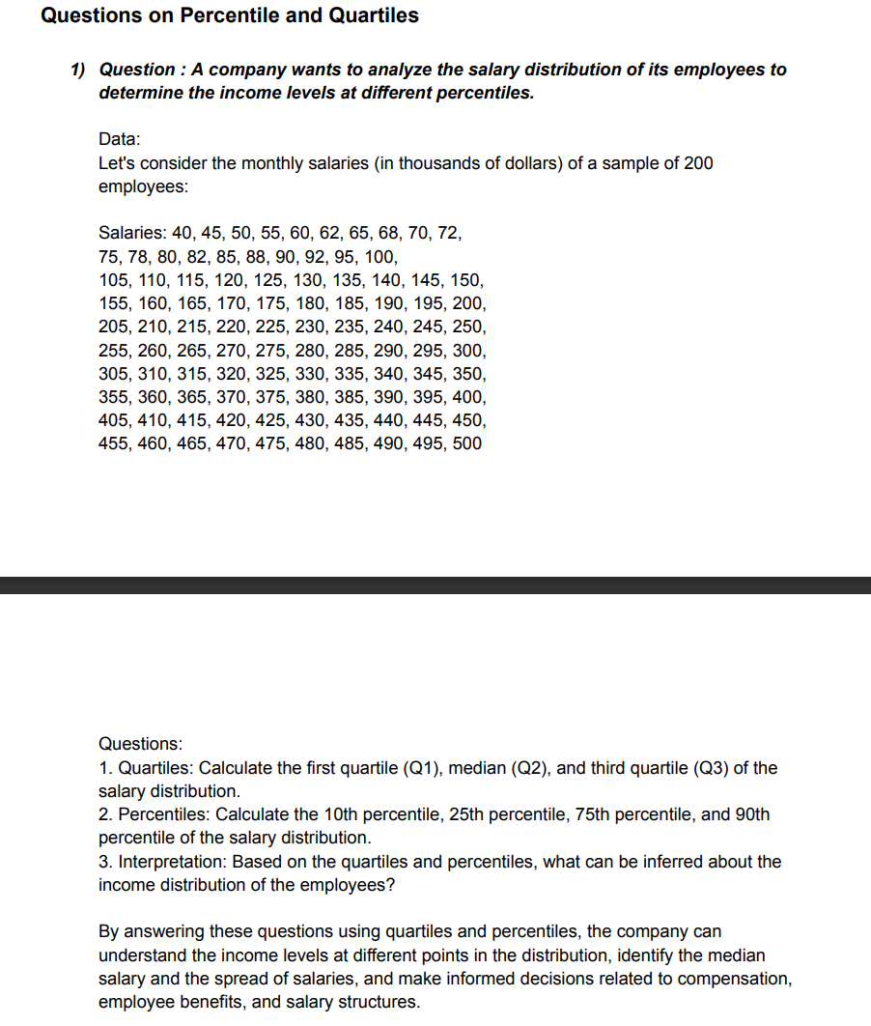

 | EMPLOYEES
 |  | 40 | 45 | 50 | 55 | 60 | 62 | 65 | 68 | 70 | 72
 |  | 75 | 78 | 80 | 82 | 85 | 88 | 90 | 92 | 95 | 100
 |  | 105 | 110 | 115 | 120 | 125 | 130 | 135 | 140 | 145 | 150
 |  | 155 | 160 | 165 | 170 | 175 | 180 | 185 | 190 | 195 | 200

 |  | QUARTILES | Column1
 |  | MINI.VALUE | 40
 |  | Q1 | 74.25
 |  | Q2 | 102.5
 |  | Q3 | 151.25
 |  | MAX.VALUE | 200

 |  | PERCENTILE

 |  | AVERAGE
 |  | 10th PERCENTILE | 55.5
 |  | 25th PERCENTILE | 72.75
 |  | 75th PERCENTILE | 153.75
 |  | 90th PERCENTILE | 194.75
 |  | AVERAGE | 112.55

 | QUESTION-2

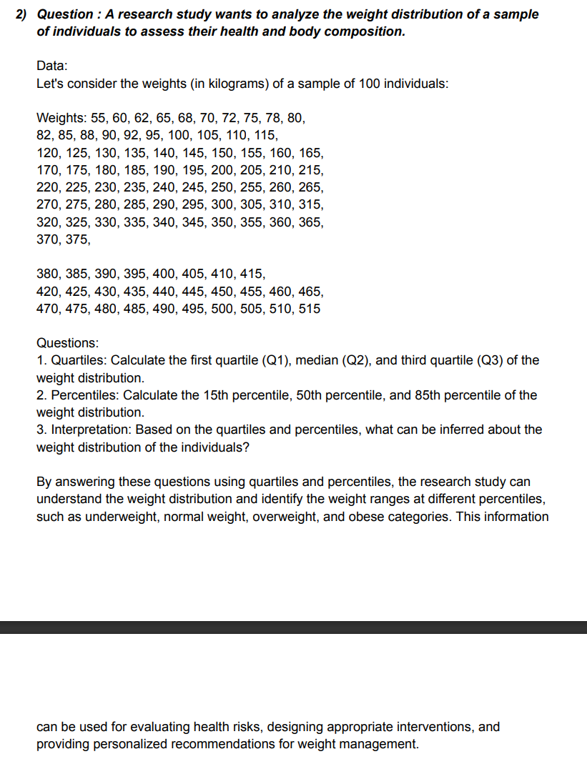
 | WEIGHTS
 |  | 55 | 60 | 62 | 65 | 68 | 70 | 72 | 75 | 78 | 80
 |  | 82 | 85 | 88 | 90 | 92 | 95 | 100 | 105 | 110 | 115
 |  | 120 | 125 | 130 | 135 | 140 | 145 | 150 | 155 | 160 | 165
 |  | 170 | 175 | 180 | 185 | 190 | 195 | 200 | 205 | 210 | 215
 |  | 220 | 225 | 230 | 235 | 240 | 245 | 250 | 255 | 260 | 265
 |  | 270 | 275 | 280 | 285 | 290 | 295 | 300 | 305 | 310 | 315
 |  | 320 | 325 | 330 | 335 | 340 | 345 | 350 | 365 | 360 | 365
 |  | 370 | 375 | 380 | 385 | 390 | 395 | 400 | 405 | 410 | 415
 |  | 420 | 425 | 430 | 435 | 440 | 445 | 450 | 455 | 460 | 465
 |  | 470 | 475 | 480 | 485 | 490 | 495 | 500 | 505 | 510 | 515

 |  | QUARTILE

 |  | MINI.VALUE | 55
 |  | Q1 | 141.25
 |  | Q2 | 267.5
 |  | Q3 | 393.75
 |  | MAX.VALUE | 515

 |  | PERCENTILE

 |  | AVERAGE | 270.57
 |  | 15th PERCENTILE | 92.45
 |  | 50th PERCENTILE | 267.5
 |  | 85th PERCENTILE | 444.25

 | QUESTION-3

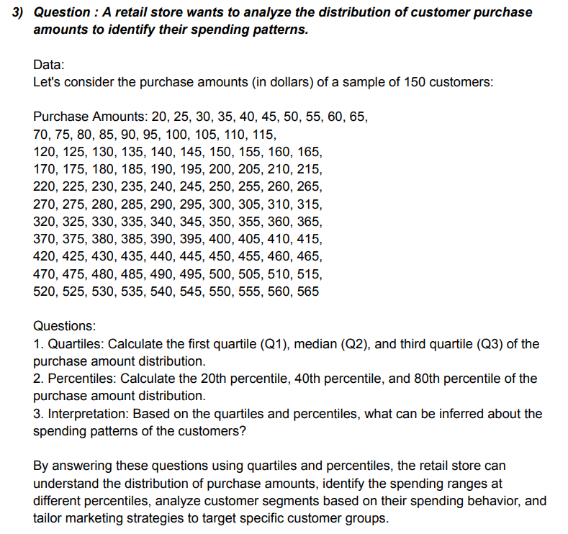

 | PUECHASE AMOUNTS
 |  | 20 | 25 | 30 | 35 | 40 | 45 | 50 | 55 | 60 | 65
 |  | 70 | 75 | 80 | 85 | 90 | 95 | 100 | 105 | 110 | 115
 |  | 120 | 125 | 130 | 135 | 140 | 145 | 150 | 155 | 160 | 165
 |  | 170 | 175 | 180 | 185 | 190 | 195 | 200 | 205 | 210 | 215
 |  | 220 | 225 | 230 | 235 | 240 | 245 | 250 | 255 | 260 | 265
 |  | 270 | 275 | 280 | 285 | 290 | 295 | 300 | 305 | 310 | 315
 |  | 320 | 325 | 330 | 335 | 340 | 345 | 350 | 355 | 360 | 365
 |  | 370 | 375 | 380 | 385 | 390 | 395 | 400 | 405 | 410 | 415
 |  | 420 | 425 | 430 | 435 | 440 | 445 | 450 | 455 | 460 | 465
 |  | 470 | 475 | 480 | 485 | 490 | 495 | 500 | 505 | 510 | 515
 |  | 520 | 525 | 530 | 535 | 540 | 545 | 550 | 555 | 560 | 565

 |  | QUARTILE |  |  |  | PERCENTILE

 |  | Q1 | 153.75 |  |  | AVERAGE | 292.5
 |  | Q2 | 292.5 |  |  | 20th PERCENTILE | 126
 |  | Q3 | 431.25 |  |  | 40th PERCENTILE | 237
 |  | MIMI.VALAUE | 20 |  |  | 80th PERCENTILE | 459
 |  | MAX.VALUE | 565

 | QUESTION-4

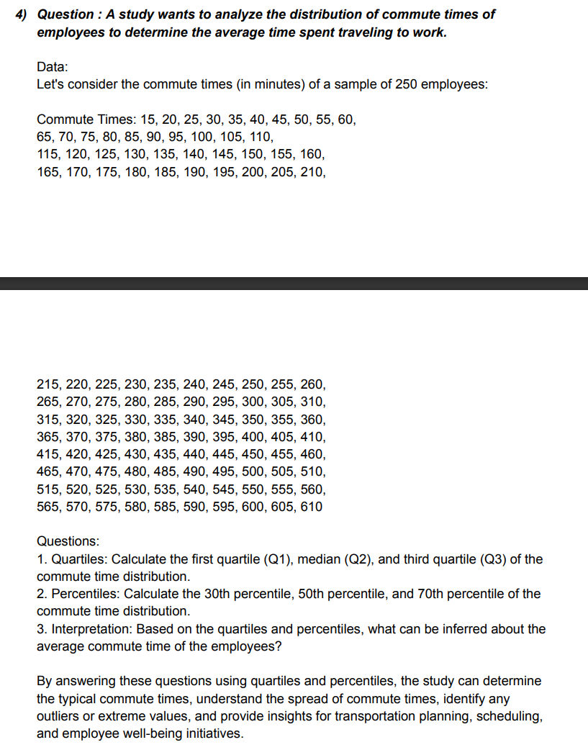

 | COMMUTE TIME
 |  |  | 15 | 20 | 25 | 30 | 35 | 40 | 45 | 50 | 55
 |  |  | 60 | 65 | 70 | 75 | 80 | 85 | 90 | 95 | 100
 |  |  | 105 | 110 | 115 | 120 | 125 | 130 | 135 | 140 | 145
 |  |  | 150 | 155 | 160 | 165 | 170 | 175 | 180 | 185 | 190
 |  |  | 195 | 200 | 205 | 210 | 215 | 220 | 225 | 230 | 235
 |  |  | 240 | 245 | 250 | 255 | 260 | 265 | 270 | 275 | 280
 |  |  | 285 | 290 | 295 | 300 | 305 | 310 | 315 | 320 | 325
 |  |  | 330 | 335 | 340 | 345 | 350 | 355 | 360 | 365 | 370
 |  |  | 375 | 380 | 385 | 390 | 395 | 400 | 405 | 410 | 415
 |  |  | 420 | 425 | 430 | 435 | 440 | 445 | 450 | 455 | 460
 |  |  | 465 | 470 | 475 | 480 | 485 | 490 | 495 | 500 | 505
 |  |  | 510 | 515 | 520 | 525 | 530 | 535 | 540 | 545 | 550
 |  |  | 555 | 560 | 565 | 570 | 575 | 580 | 585 | 590 | 595
 |  |  | 600 | 605 | 610

 |  | QUARTILES |  |  |  | PERCENTILE

 |  | Q1 | 161.25 |  |  | AVERAGE | 312.5
 |  | Q2 | 312.5 |  |  | 30th PERCENTILE | 191.5
 |  | Q3 | 463.75 |  |  | 50th PERCENTILE | 312.5
 |  | MINI.VALUE | 15 |  |  | 70th PERCENTILE | 433.5
 |  | MAX.VALUE | 610

 | QUESTION-5

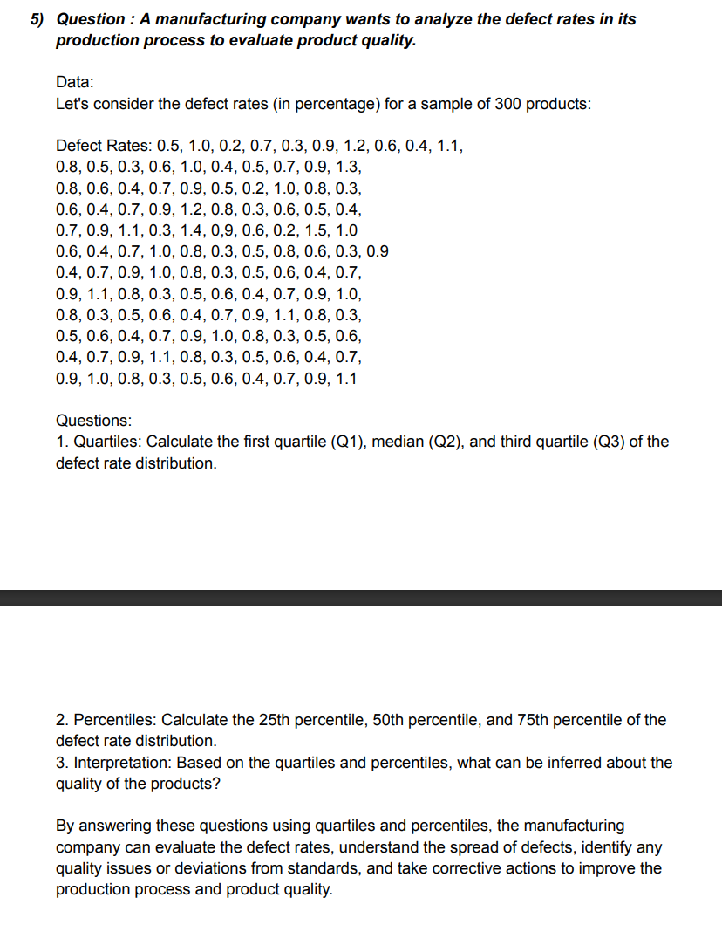
 | DEFECT RATES
 |  |  | 0.5 | 1 | 0.2 | 0.7 | 0.3 | 0.9 | 1.2 | 0.6 | 0.4 | 1.1
 |  |  | 0.8 | 0.5 | 0.3 | 0.6 | 1 | 0.4 | 0.5 | 0.7 | 0.9 | 1.3
 |  |  | 0.8 | 0.6 | 0.4 | 0.7 | 0.9 | 0.5 | 0.2 | 1 | 0.8 | 0.3
 |  |  | 0.6 | 0.4 | 0.7 | 0.9 | 1.2 | 0.8 | 0.3 | 0.6 | 0.5 | 0.4
 |  |  | 0.7 | 0.9 | 1.1 | 0.3 | 1.4 | 0.9 | 0.6 | 0.2 | 1.5 | 1
 |  |  | 0.6 | 0.4 | 0.7 | 1 | 0.8 | 0.3 | 0.5 | 0.8 | 0.6 | 0.3
 |  |  | 0.9 | 0.4 | 0.7 | 0.9 | 1 | 0.8 | 0.3 | 0.5 | 0.6 | 0.4
 |  |  | 0.7 | 0.9 | 1.1 | 0.8 | 0.3 | 0.5 | 0.6 | 0.4 | 0.7 | 0.9
 |  |  | 1 | 0.8 | 0.3 | 0.5 | 0.6 | 0.4 | 0.7 | 0.9 | 1.1 | 0.8
 |  |  | 0.3 | 0.5 | 0.6 | 0.4 | 0.7 | 0.9 | 1 | 0.8 | 0.3 | 0.5
 |  |  | 0.6 | 0.4 | 0.7 | 0.9 | 1.1 | 0.8 | 0.3 | 0.5 | 0.6 | 0.4
 |  |  | 0.7 | 0.9 | 1 | 0.8 | 0.3 | 0.5 | 0.6 | 0.4 | 0.7 | 0.9
 |  |  | 1.1

 |  | QUARTILES |  |  |  | PERCENTILES

 |  | Q1 | 0.4 |  |  | AVERAGE | 0.67603305785
 |  | Q2 | 0.7 |  |  | 25th PERCENTILE | 0.4
 |  | Q3 | 0.9 |  |  | 50th PERCENTILE | 0.7
 |  | MINI.VALUE | -0.2 |  |  | 75th PERCENTILE | 0.9
 |  | MAX.VALUE | 1.5

 | QUESTION-2(11)

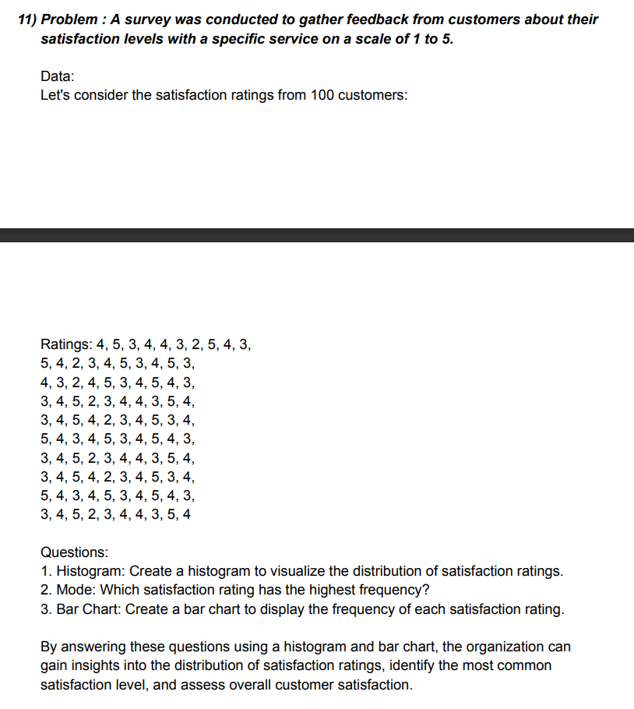

 | 1.HISTOGRAM

 | DATA | RATINGS
 | 1 | 4 | 26 | 3 |  | 51 | 5 |  | 76 | 3
 | 2 | 5 | 27 | 4 |  | 52 | 4 |  | 77 | 4
 | 3 | 3 | 28 | 5 |  | 53 | 3 |  | 78 | 5
 | 4 | 4 | 29 | 4 |  | 54 | 4 |  | 79 | 3
 | 5 | 4 | 30 | 3 |  | 55 | 5 |  | 80 | 4
 | 6 | 3 | 31 | 3 |  | 56 | 3 |  | 81 | 5
 | 7 | 2 | 32 | 4 |  | 57 | 4 |  | 82 | 4
 | 8 | 5 | 33 | 5 |  | 58 | 5 |  | 83 | 3
 | 9 | 4 | 34 | 2 |  | 59 | 4 |  | 84 | 4
10 | 10 | 3 | 35 | 3 |  | 60 | 3 |  | 85 | 5
 | 11 | 5 | 36 | 4 |  | 61 | 3 |  | 86 | 3
 | 12 | 4 | 37 | 4 |  | 62 | 4 |  | 87 | 4
 | 13 | 2 | 38 | 3 |  | 63 | 5 |  | 88 | 5
 | 14 | 3 | 39 | 5 |  | 64 | 2 |  | 89 | 4
 | 15 | 4 | 40 | 4 |  | 65 | 3 |  | 90 | 3
 | 16 | 5 | 41 | 3 |  | 66 | 4 |  | 91 | 3
 | 17 | 3 | 42 | 4 |  | 67 | 4 |  | 92 | 4
 | 18 | 4 | 43 | 5 |  | 68 | 3 |  | 93 | 5
 | 19 | 5 | 44 | 4 |  | 69 | 5 |  | 94 | 2
 | 20 | 3 | 45 | 2 |  | 70 | 4 |  | 95 | 3
 | 21 | 4 | 46 | 3 |  | 71 | 3 |  | 96 | 4
 | 22 | 3 | 47 | 4 |  | 72 | 4 |  | 97 | 4
 | 23 | 2 | 48 | 5 |  | 73 | 5 |  | 98 | 3
 | 24 | 4 | 49 | 3 |  | 74 | 4 |  | 99 | 5
 | 25 | 5 | 50 | 4 |  | 75 | 2 |  | 100 | 4

 | HISTOGRAM |  |  |  |  |  |  |  |  |  | BAR CHART
 |  |  |  |  |  |  | MODE

DATA | 1 | 2 | 3 | 4 | 5 | 6 | 7 | 8 | 9 | 10 | 11 | 12
RATINGS | 4 | 5 | 3 | 4 | 4 | 3 | 2 | 5 | 4 | 3 | 5 | 4
 | 26 | 27 | 28 | 29 | 30 | 31 | 32 | 33 | 34 | 35 | 36 | 37
 | 3 | 4 | 5 | 4 | 3 | 3 | 4 | 5 | 2 | 3 | 4 | 4
 | 51 | 52 | 53 | 54 | 55 | 56 | 57 | 58 | 59 | 60 | 61 | 62
 | 5 | 4 | 3 | 4 | 5 | 3 | 4 | 5 | 4 | 3 | 3 | 4
 | 76 | 77 | 78 | 79 | 80 | 81 | 82 | 83 | 84 | 85 | 86 | 87
 | 3 | 4 | 5 | 3 | 4 | 5 | 4 | 3 | 4 | 5 | 3 | 4
 |  |  |  |  |  |  | mode | 4

 | QUESTION -2(12)

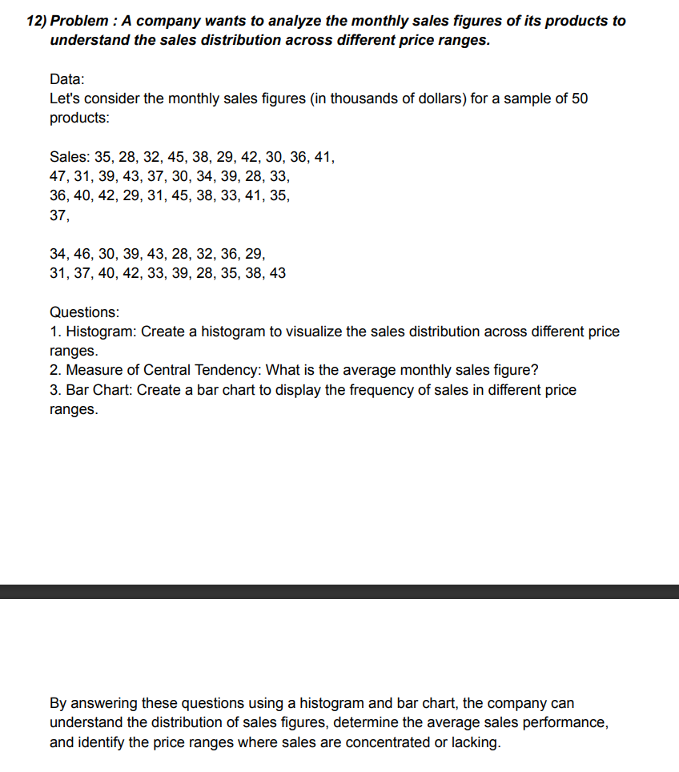
 | PRODUCT | SALES
 | 1 | 35
 | 2 | 28 |  | HISTOGRAM
 | 3 | 32
 | 4 | 45
 | 5 | 38
 | 6 | 29
 | 7 | 42
 | 8 | 30
 | 9 | 36
 | 10 | 41
 | 11 | 47
 | 12 | 31
 | 13 | 39 |  |  |  |  |  |  |  | 4
 | 14 | 43
 | 15 | 37
 | 16 | 30
 | 17 | 34
 | 18 | 39
 | 19 | 28
 | 20 | 33
 | 21 | 36
 | 22 | 40
 | 23 | 42
 | 24 | 29 |  | AVERAGE
 | 25 | 31
 | 26 | 45
 | 27 | 38 |  | average | 36.34
 | 28 | 33
 | 29 | 41
 | 30 | 35
 | 31 | 37 |  | BAR CHART
 | 32 | 34
 | 33 | 46
 | 34 | 30
 | 35 | 39
 | 36 | 43
 | 37 | 28
 | 38 | 32
 | 39 | 36
 | 40 | 29
 | 41 | 31
 | 42 | 37
 | 43 | 40
 | 44 | 42
 | 45 | 33
 | 46 | 39
 | 47 | 38
 | 48 | 35
 | 49 | 38
 | 50 | 43

 | QUESTION-2(13)

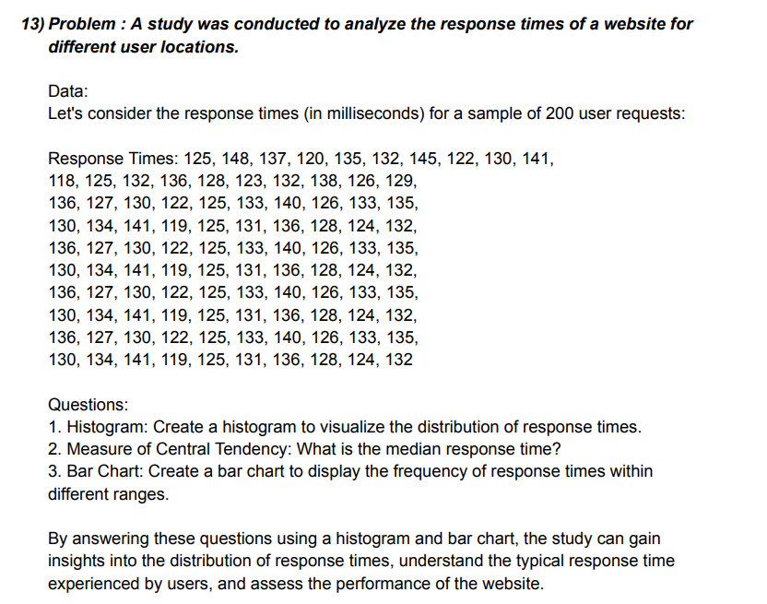
 | SAMPLE | RESPONSE
 | 1 | 125
 | 2 | 148
 | 3 | 137
 | 4 | 120
 | 5 | 135
 | 6 | 132
 | 7 | 145
 | 8 | 122 |  | HISTOGRAM
 | 9 | 130
 | 10 | 141
 | 11 | 118
 | 12 | 125
 | 13 | 132
 | 14 | 136
 | 15 | 128
 | 16 | 123
 | 17 | 132
 | 18 | 138
 | 19 | 126
 | 20 | 129
 | 21 | 136
 | 22 | 127
 | 23 | 130
 | 24 | 122
 | 25 | 125
 | 26 | 133
 | 27 | 140
 | 28 | 126
 | 29 | 133
 | 30 | 135
 | 31 | 130
 | 32 | 134
 | 33 | 141 |  | MEASURE OF CENTRAL TEDENCY
 | 34 | 119
 | 35 | 125
 | 36 | 131 |  | MEDIAN |  | 131
 | 37 | 136
 | 38 | 128
 | 39 | 124
 | 40 | 132
 | 41 | 136
 | 42 | 127 |  | BAR CHART
 | 43 | 130
 | 44 | 122
 | 45 | 125
 | 46 | 133
 | 47 | 140
 | 48 | 126
 | 49 | 133
 | 50 | 135
 | 51 | 130
 | 52 | 134
 | 53 | 141
 | 54 | 119
 | 55 | 125
 | 56 | 131
 | 57 | 136
 | 58 | 128
 | 59 | 124
 | 60 | 132
 | 61 | 136
 | 62 | 127
 | 63 | 130
 | 64 | 122
 | 65 | 125
 | 66 | 133
 | 67 | 140
 | 68 | 126
 | 69 | 133
 | 70 | 135
 | 71 | 130
 | 72 | 134
 | 73 | 141
 | 74 | 119
 | 75 | 125
 | 76 | 131
 | 77 | 136
 | 78 | 138
 | 79 | 124
 | 80 | 132
 | 81 | 136
 | 82 | 127
 | 83 | 130
 | 84 | 122
 | 85 | 125
 | 86 | 133
 | 87 | 140
 | 88 | 126
 | 89 | 133
 | 90 | 135
 | 91 | 130
 | 92 | 134
 | 93 | 141
 | 94 | 119
 | 95 | 125
 | 96 | 131
 | 97 | 136
 | 98 | 128
 | 99 | 124
 | 100 | 132

 | QUESTION-2(14)

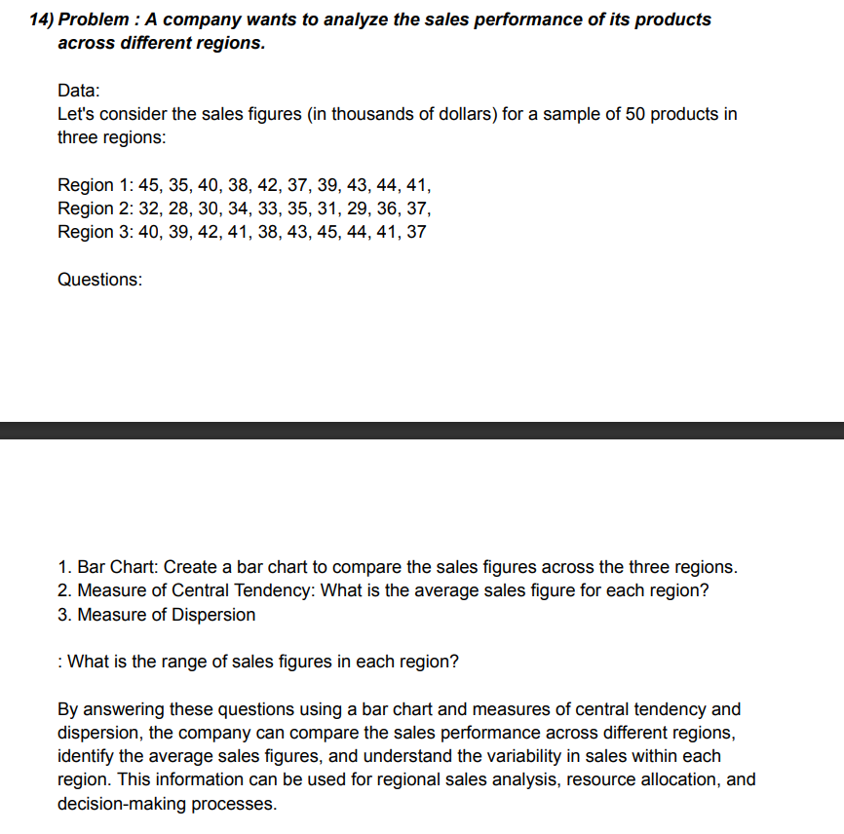
 |  | SAMPLE | REGION
 |  | 1 | 45 |  | HISTOGRAM
 |  | 2 | 35
 |  | 3 | 40
 |  | 4 | 38
 |  | 5 | 42
 |  | 6 | 37
 |  | 7 | 39
 |  | 8 | 43
 |  | 9 | 44
 |  | 10 | 41
 |  | 11 | 32
 |  | 12 | 28
 |  | 13 | 30
 |  | 14 | 34
 |  | 15 | 33
 |  | 16 | 35
 |  | 17 | 31
 |  | 18 | 19
 |  | 19 | 36
 |  | 20 | 37
 |  | 21 | 40
 |  | 22 | 39
 |  | 23 | 42
 |  | 24 | 41
 |  | 25 | 38
 |  | 26 | 43
 |  | 27 | 45
 |  | 28 | 44
 |  | 29 | 41
 |  | 30 | 37

